Sheet1
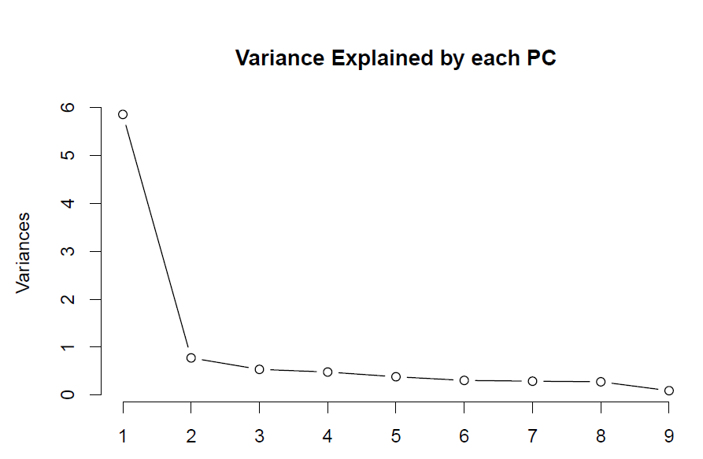
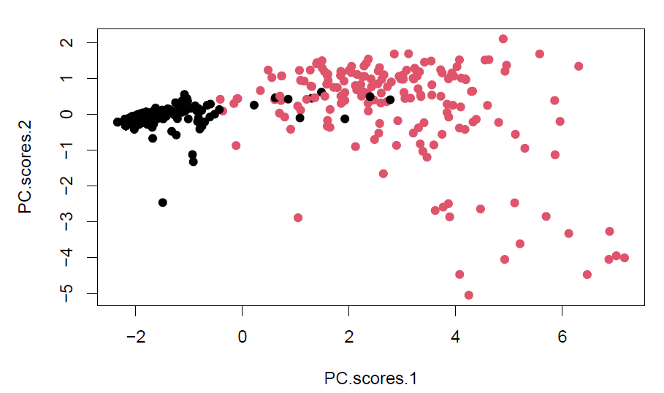

Figure 1: Scree Plot | Figure 2: Scatter Plot

